histogram_eq
histo_acc
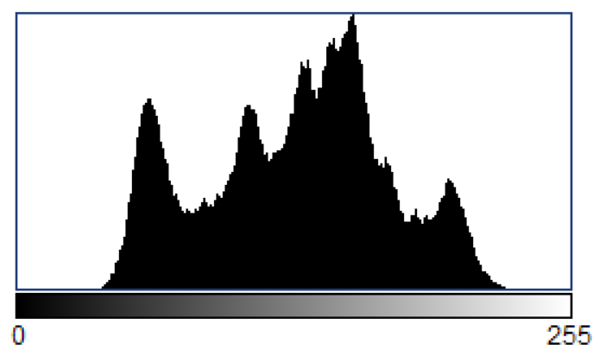
brightness | histo | acc | histo_eq | acc_Eq
0 | 0 | 0 | 951 | 0
1 | 0 | 0 | 761 | 761
2 | 0 | 0 | 1139 | 1900
3 | 0 | 0 | 709 | 2609
4 | 0 | 0 | 885 | 3494
5 | 0 | 0 | 1032 | 4526
6 | 0 | 0 | 1282 | 5808
7 | 0 | 0 | 1441 | 7249
8 | 0 | 0 | 0 | 7249
9 | 0 | 0 | 1617 | 8866
10 | 0 | 0 | 0 | 8866
11 | 0 | 0 | 1686 | 10552
12 | 0 | 0 | 0 | 10552
13 | 0 | 0 | 1905 | 12457
14 | 0 | 0 | 1887 | 14344
15 | 0 | 0 | 0 | 14344
16 | 0 | 0 | 2000 | 16344
histo_Eq
histo_Eq_acc
17 | 0 | 0 | 0 | 16344
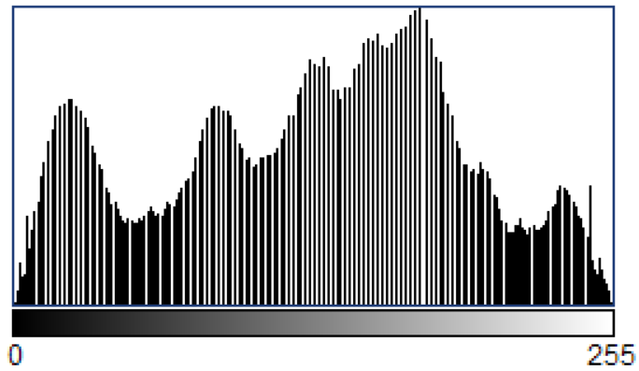
18 | 0 | 0 | 2000 | 18344
19 | 0 | 0 | 0 | 18344
20 | 1 | 1 | 2072 | 20416
21 | 0 | 1 | 0 | 20416
22 | 0 | 1 | 2010 | 22426
23 | 2 | 3 | 0 | 22426
24 | 4 | 7 | 2025 | 24451
25 | 8 | 15 | 0 | 24451
26 | 15 | 30 | 1891 | 26342
27 | 25 | 55 | 0 | 26342
28 | 55 | 110 | 1884 | 28226
29 | 86 | 196 | 0 | 28226
30 | 112 | 308 | 1762 | 29988
31 | 160 | 468 | 1714 | 31702
32 | 202 | 670 | 0 | 31702
33 | 281 | 951 | 1533 | 33235
34 | 341 | 1292 | 1442 | 34677
35 | 420 | 1712 | 1261 | 35938
36 | 528 | 2240 | 0 | 35938
37 | 611 | 2851 | 1268 | 37206
38 | 709 | 3560 | 1185 | 38391
39 | 885 | 4445 | 1098 | 39489
40 | 1032 | 5477 | 970 | 40459
41 | 1282 | 6759 | 978 | 41437
42 | 1441 | 8200 | 1793 | 43230
43 | 1617 | 9817 | 823 | 44053
44 | 1686 | 11503 | 802 | 44855
45 | 1905 | 13408 | 742 | 45597
46 | 1887 | 15295 | 1645 | 47242
47 | 2000 | 17295 | 816 | 48058
48 | 2000 | 19295 | 785 | 48843
49 | 2072 | 21367 | 878 | 49721
50 | 2010 | 23377 | 1729 | 51450
51 | 2025 | 25402 | 872 | 52322
52 | 1891 | 27293 | 867 | 53189
53 | 1884 | 29177 | 957 | 54146
54 | 1762 | 30939 | 888 | 55034
55 | 1714 | 32653 | 979 | 56013
56 | 1533 | 34186 | 906 | 56919
57 | 1442 | 35628 | 835 | 57754
58 | 1261 | 36889 | 1916 | 59670
59 | 1268 | 38157 | 953 | 60623
60 | 1185 | 39342 | 958 | 61581
61 | 1098 | 40440 | 996 | 62577
62 | 970 | 41410 | 1061 | 63638
63 | 978 | 42388 | 1158 | 64796
64 | 910 | 43298 | 0 | 64796
65 | 883 | 44181 | 1144 | 65940
66 | 823 | 45004 | 1166 | 67106
67 | 802 | 45806 | 1222 | 68328
68 | 742 | 46548 | 1253 | 69581
69 | 803 | 47351 | 0 | 69581
70 | 842 | 48193 | 1446 | 71027
71 | 816 | 49009 | 1466 | 72493
72 | 785 | 49794 | 1594 | 74087
73 | 878 | 50672 | 0 | 74087
74 | 859 | 51531 | 1855 | 75942
75 | 870 | 52401 | 0 | 75942
76 | 872 | 53273 | 1810 | 77752
77 | 867 | 54140 | 0 | 77752
78 | 957 | 55097 | 1934 | 79686
79 | 888 | 55985 | 0 | 79686
80 | 979 | 56964 | 1964 | 81650
81 | 906 | 57870 | 0 | 81650
82 | 835 | 58705 | 1899 | 83549
83 | 976 | 59681 | 0 | 83549
84 | 940 | 60621 | 2002 | 85551
85 | 953 | 61574 | 1872 | 87423
86 | 958 | 62532 | 0 | 87423
87 | 996 | 63528 | 1823 | 89246
88 | 1061 | 64589 | 0 | 89246
89 | 1158 | 65747 | 1689 | 90935
90 | 1144 | 66891 | 1598 | 92533
91 | 1166 | 68057 | 0 | 92533
92 | 1222 | 69279 | 1539 | 94072
93 | 1253 | 70532 | 1398 | 95470
94 | 1446 | 71978 | 0 | 95470
95 | 1466 | 73444 | 1441 | 96911
96 | 1594 | 75038 | 1375 | 98286
97 | 1855 | 76893 | 1334 | 99620
98 | 1810 | 78703 | 0 | 99620
99 | 1934 | 80637 | 1389 | 101009
100 | 1964 | 82601 | 1376 | 102385
101 | 1899 | 84500 | 1380 | 103765
102 | 2002 | 86502 | 0 | 103765
103 | 1872 | 88374 | 1413 | 105178
104 | 1823 | 90197 | 1402 | 106580
105 | 1689 | 91886 | 0 | 106580
106 | 1598 | 93484 | 1455 | 108035
107 | 1539 | 95023 | 1464 | 109499
108 | 1398 | 96421 | 0 | 109499
109 | 1441 | 97862 | 1627 | 111126
110 | 1375 | 99237 | 1626 | 112752
111 | 1334 | 100571 | 0 | 112752
112 | 1389 | 101960 | 1604 | 114356
113 | 1376 | 103336 | 1808 | 116164
114 | 1380 | 104716 | 0 | 116164
115 | 1413 | 106129 | 1827 | 117991
116 | 1402 | 107531 | 0 | 117991
117 | 1455 | 108986 | 2034 | 120025
118 | 1464 | 110450 | 0 | 120025
119 | 1627 | 112077 | 2097 | 122122
120 | 1626 | 113703 | 0 | 122122
121 | 1604 | 115307 | 2213 | 124335
122 | 1808 | 117115 | 0 | 124335
123 | 1827 | 118942 | 0 | 124335
124 | 2034 | 120976 | 2352 | 126687
125 | 2097 | 123073 | 0 | 126687
126 | 2213 | 125286 | 2433 | 129120
127 | 2352 | 127638 | 0 | 129120
128 | 2433 | 130071 | 2368 | 131488
129 | 2368 | 132439 | 0 | 131488
130 | 2467 | 134906 | 0 | 131488
131 | 2304 | 137210 | 2467 | 133955
132 | 2276 | 139486 | 0 | 133955
133 | 2050 | 141536 | 2304 | 136259
134 | 1960 | 143496 | 0 | 136259
135 | 1910 | 145406 | 2276 | 138535
136 | 1889 | 147295 | 0 | 138535
137 | 1925 | 149220 | 2050 | 140585
138 | 2058 | 151278 | 0 | 140585
139 | 2043 | 153321 | 1960 | 142545
140 | 2331 | 155652 | 0 | 142545
141 | 2302 | 157954 | 1910 | 144455
142 | 2340 | 160294 | 0 | 144455
143 | 2391 | 162685 | 1889 | 146344
144 | 2475 | 165160 | 0 | 146344
145 | 2431 | 167591 | 1925 | 148269
146 | 2253 | 169844 | 0 | 148269
147 | 2271 | 172115 | 2058 | 150327
148 | 2233 | 174348 | 0 | 150327
149 | 2193 | 176541 | 2043 | 152370
150 | 2279 | 178820 | 0 | 152370
151 | 2303 | 181123 | 2331 | 154701
152 | 2426 | 183549 | 0 | 154701
153 | 2671 | 186220 | 2302 | 157003
154 | 2647 | 188867 | 0 | 157003
155 | 2719 | 191586 | 2340 | 159343
156 | 2733 | 194319 | 0 | 159343
157 | 2583 | 196902 | 0 | 159343
158 | 2437 | 199339 | 2391 | 161734
159 | 2256 | 201595 | 0 | 161734
160 | 2076 | 203671 | 2475 | 164209
161 | 1911 | 205582 | 0 | 164209
162 | 1744 | 207326 | 0 | 164209
163 | 1644 | 208970 | 2431 | 166640
164 | 1471 | 210441 | 0 | 166640
165 | 1430 | 211871 | 2253 | 168893
166 | 1395 | 213266 | 0 | 168893
167 | 1288 | 214554 | 2271 | 171164
168 | 1230 | 215784 | 0 | 171164
169 | 1193 | 216977 | 2233 | 173397
170 | 1170 | 218147 | 0 | 173397
171 | 1244 | 219391 | 2193 | 175590
172 | 1268 | 220659 | 0 | 175590
173 | 1229 | 221888 | 2279 | 177869
174 | 1237 | 223125 | 0 | 177869
175 | 1263 | 224388 | 0 | 177869
176 | 1242 | 225630 | 2303 | 180172
177 | 1164 | 226794 | 0 | 180172
178 | 1115 | 227909 | 2426 | 182598
179 | 1039 | 228948 | 0 | 182598
180 | 953 | 229901 | 0 | 182598
181 | 819 | 230720 | 2671 | 185269
182 | 748 | 231468 | 0 | 185269
183 | 662 | 232130 | 2647 | 187916
184 | 637 | 232767 | 0 | 187916
185 | 641 | 233408 | 0 | 187916
186 | 597 | 234005 | 2719 | 190635
187 | 663 | 234668 | 0 | 190635
188 | 625 | 235293 | 0 | 190635
189 | 712 | 236005 | 2733 | 193368
190 | 787 | 236792 | 0 | 193368
191 | 777 | 237569 | 2583 | 195951
192 | 809 | 238378 | 0 | 195951
193 | 873 | 239251 | 2437 | 198388
194 | 909 | 240160 | 0 | 198388
195 | 962 | 241122 | 0 | 198388
196 | 956 | 242078 | 2256 | 200644
197 | 836 | 242914 | 0 | 200644
198 | 850 | 243764 | 2076 | 202720
199 | 867 | 244631 | 1911 | 204631
200 | 839 | 245470 | 0 | 204631
201 | 916 | 246386 | 1744 | 206375
202 | 832 | 247218 | 0 | 206375
203 | 900 | 248118 | 1644 | 208019
204 | 921 | 249039 | 1471 | 209490
205 | 952 | 249991 | 0 | 209490
206 | 969 | 250960 | 1430 | 210920
207 | 1012 | 251972 | 1395 | 212315
208 | 1092 | 253064 | 1288 | 213603
209 | 1078 | 254142 | 1230 | 214833
210 | 962 | 255104 | 0 | 214833
211 | 967 | 256071 | 1193 | 216026
212 | 1019 | 257090 | 1170 | 217196
213 | 870 | 257960 | 1244 | 218440
214 | 705 | 258665 | 1268 | 219708
215 | 573 | 259238 | 1229 | 220937
216 | 468 | 259706 | 0 | 220937
217 | 395 | 260101 | 1237 | 222174
218 | 368 | 260469 | 1263 | 223437
219 | 327 | 260796 | 1242 | 224679
220 | 254 | 261050 | 1164 | 225843
221 | 212 | 261262 | 1115 | 226958
222 | 211 | 261473 | 1039 | 227997
223 | 173 | 261646 | 953 | 228950
224 | 121 | 261767 | 819 | 229769
225 | 104 | 261871 | 1410 | 231179
226 | 72 | 261943 | 637 | 231816
227 | 66 | 262009 | 1238 | 233054
228 | 33 | 262042 | 1288 | 234342
229 | 31 | 262073 | 712 | 235054
230 | 24 | 262097 | 787 | 235841
231 | 16 | 262113 | 1586 | 237427
232 | 8 | 262121 | 873 | 238300
233 | 9 | 262130 | 909 | 239209
234 | 3 | 262133 | 962 | 240171
235 | 4 | 262137 | 956 | 241127
236 | 3 | 262140 | 836 | 241963
237 | 0 | 262140 | 1717 | 243680
238 | 0 | 262140 | 839 | 244519
239 | 1 | 262141 | 916 | 245435
240 | 0 | 262141 | 832 | 246267
241 | 1 | 262142 | 900 | 247167
242 | 0 | 262142 | 921 | 248088
243 | 0 | 262142 | 952 | 249040
244 | 1 | 262143 | 969 | 250009
245 | 1 | 262144 | 1012 | 251021
246 | 0 | 262144 | 1092 | 252113
247 | 0 | 262144 | 1078 | 253191
248 | 0 | 262144 | 962 | 254153
249 | 0 | 262144 | 967 | 255120
250 | 0 | 262144 | 1889 | 257009
251 | 0 | 262144 | 705 | 257714
252 | 0 | 262144 | 1041 | 258755
253 | 0 | 262144 | 1344 | 260099
254 | 0 | 262144 | 1093 | 261192
255 | 0 | 262144 | 1 | 261193

